All variables
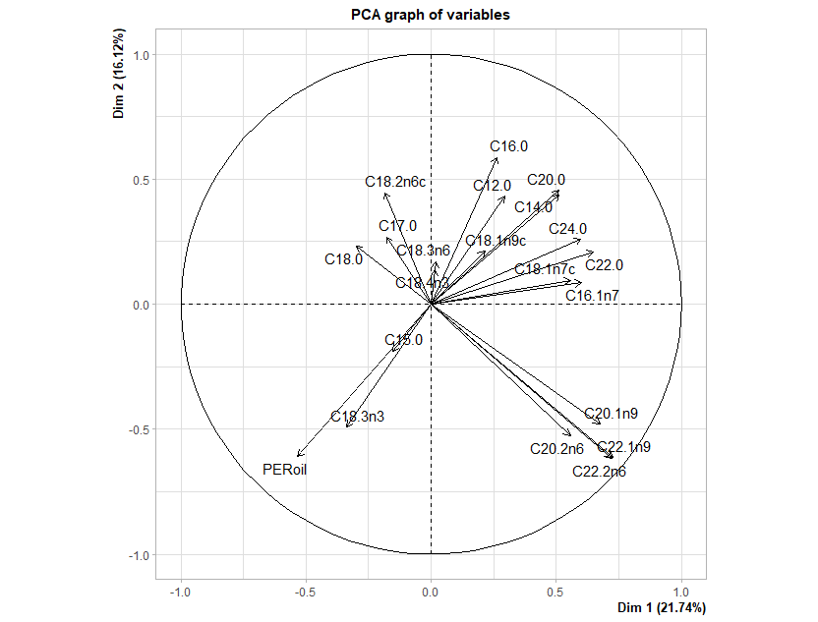
Contributions |  |  |  |  |  |  |  |  | percentage of variance | cumulative percentage of variance
 | Dim.1 | Dim.2 | Dim.3 | Dim.4 | Dim.5 |  |  | eigenvalue
C12.0 | 1.89 | 5.49 | 14.23 | 0.59 | 0.04 |  | comp 1 | 4.57 | 21.74 | 21.74
C14.0 | 5.73 | 5.61 | 14.74 | 0.02 | 0.20 |  | comp 2 | 3.39 | 16.12 | 37.87
C15.0 | 0.52 | 1.04 | 0.90 | 0.68 | 0.72 |  | comp 3 | 2.68 | 12.76 | 50.62
C16.0 | 1.53 | 10.17 | 0.00 | 0.10 | 16.66 |  | comp 4 | 1.89 | 9.00 | 59.62
C16.1n7 | 7.87 | 0.22 | 2.04 | 6.89 | 8.79 |  | comp 5 | 1.42 | 6.77 | 66.39
C17.0 | 0.70 | 2.14 | 3.12 | 4.07 | 8.18 |  | comp 6 | 1.34 | 6.40 | 72.79
C18.0 | 1.97 | 1.61 | 0.16 | 13.24 | 4.18 |  | comp 7 | 1.03 | 4.89 | 77.68
C18.1n7c | 6.82 | 0.27 | 0.84 | 18.95 | 0.68 |  | comp 8 | 0.97 | 4.63 | 82.30
C18.1n9c | 1.01 | 1.32 | 3.68 | 10.50 | 19.48 |  | comp 9 | 0.92 | 4.38 | 86.68
C18.2n6c | 0.76 | 5.85 | 4.15 | 10.46 | 0.25 |  | comp 10 | 0.75 | 3.58 | 90.26
C18.3n3 | 2.51 | 7.17 | 12.33 | 0.11 | 10.26 |  | comp 11 | 0.67 | 3.18 | 93.44
C18.3n6 | 0.01 | 0.86 | 6.95 | 4.13 | 5.03 |  | comp 12 | 0.49 | 2.35 | 95.79
C18.4n3 | 0.01 | 0.55 | 14.34 | 6.57 | 5.35 |  | comp 13 | 0.28 | 1.35 | 97.14
C20.0 | 5.73 | 6.13 | 6.26 | 0.29 | 0.64 |  | comp 14 | 0.22 | 1.05 | 98.19
C20.1n9 | 9.97 | 6.79 | 0.45 | 3.16 | 2.54 |  | comp 15 | 0.15 | 0.72 | 98.91
C20.2n6 | 6.77 | 8.17 | 3.60 | 2.46 | 10.24 |  | comp 16 | 0.08 | 0.39 | 99.30
C22.0 | 9.20 | 1.31 | 0.05 | 16.26 | 4.69 |  | comp 17 | 0.07 | 0.35 | 99.64
C22.1n9 | 11.54 | 11.16 | 0.20 | 0.19 | 0.03 |  | comp 18 | 0.04 | 0.19 | 99.84
C22.2n6 | 11.41 | 11.16 | 0.18 | 0.09 | 0.02 |  | comp 19 | 0.03 | 0.16 | 100.00
C24.0 | 7.85 | 1.99 | 8.72 | 1.24 | 1.31 |  | comp 20 | 0.00 | 0.00 | 100.00
PERoil | 6.23 | 10.98 | 3.05 | 0.00 | 0.70 |  | comp 21 | 0.00 | 0.00 | 100.00

PCA FAME considering total oil content and percentage of specific FAME respect the total
 | C12:0 | C14:0 | C15:0 | C16:0 | C16:1n7 | C17:0 | C18:0 | C18:1n7c | C18:1n9c | C18:2n6c | C18:3n3 | C18:3n6 | C18:4n3 | C20:0 | C20:1n9 | C20:2n6 | C22:0 | C22:1n9 | C22:2n6 | C24:0 | oil_content_PER
C12:0 | 1.000 | 0.764 | -0.054 | 0.126 | 0.336 | 0.040 | -0.111 | 0.197 | -0.032 | 0.029 | -0.020 | -0.120 | -0.139 | 0.667 | -0.055 | -0.145 | 0.158 | -0.058 | -0.054 | -0.110 | -0.202
C14:0 | 0.764 | 1.000 | -0.115 | 0.339 | 0.558 | -0.157 | -0.073 | 0.344 | 0.026 | -0.038 | -0.077 | -0.277 | -0.255 | 0.616 | 0.113 | -0.106 | 0.382 | 0.041 | 0.040 | 0.147 | -0.283
C15:0 | -0.054 | -0.115 | 1.000 | -0.087 | -0.060 | -0.056 | -0.069 | 0.018 | -0.075 | -0.134 | 0.216 | -0.063 | -0.073 | -0.078 | -0.070 | 0.005 | -0.164 | -0.030 | -0.029 | -0.210 | 0.058
C16:0 | 0.126 | 0.339 | -0.087 | 1.000 | 0.042 | 0.262 | 0.002 | 0.241 | -0.122 | 0.117 | -0.206 | 0.056 | 0.001 | 0.354 | -0.131 | -0.103 | 0.387 | -0.130 | -0.134 | 0.299 | -0.566
C16:1n7 | 0.336 | 0.558 | -0.060 | 0.042 | 1.000 | -0.186 | -0.180 | 0.668 | 0.060 | -0.043 | -0.169 | 0.103 | -0.107 | 0.177 | 0.237 | 0.120 | 0.145 | 0.335 | 0.342 | 0.308 | -0.194
C17:0 | 0.040 | -0.157 | -0.056 | 0.262 | -0.186 | 1.000 | 0.240 | -0.228 | 0.082 | 0.056 | -0.102 | -0.006 | 0.256 | -0.169 | -0.129 | -0.122 | 0.001 | -0.181 | -0.190 | 0.073 | -0.175
C18:0 | -0.111 | -0.073 | -0.069 | 0.002 | -0.180 | 0.240 | 1.000 | -0.391 | 0.043 | 0.206 | -0.166 | -0.063 | -0.127 | 0.017 | -0.031 | -0.449 | 0.039 | -0.220 | -0.220 | -0.096 | 0.096
C18:1n7c | 0.197 | 0.344 | 0.018 | 0.241 | 0.668 | -0.228 | -0.391 | 1.000 | -0.074 | 0.012 | -0.143 | 0.133 | 0.068 | 0.283 | 0.193 | 0.188 | 0.027 | 0.285 | 0.288 | 0.133 | -0.390
C18:1n9c | -0.032 | 0.026 | -0.075 | -0.122 | 0.060 | 0.082 | 0.043 | -0.074 | 1.000 | -0.239 | -0.508 | 0.096 | 0.054 | 0.034 | 0.221 | -0.190 | 0.253 | 0.006 | -0.017 | 0.317 | -0.358
C18:2n6c | 0.029 | -0.038 | -0.134 | 0.117 | -0.043 | 0.056 | 0.206 | 0.012 | -0.239 | 1.000 | -0.609 | 0.107 | 0.351 | 0.006 | -0.309 | -0.065 | -0.289 | -0.312 | -0.297 | 0.005 | -0.160
C18:3n3 | -0.020 | -0.077 | 0.216 | -0.206 | -0.169 | -0.102 | -0.166 | -0.143 | -0.508 | -0.609 | 1.000 | -0.286 | -0.321 | -0.172 | -0.182 | -0.015 | -0.142 | -0.055 | -0.050 | -0.431 | 0.575
C18:3n6 | -0.120 | -0.277 | -0.063 | 0.056 | 0.103 | -0.006 | -0.063 | 0.133 | 0.096 | 0.107 | -0.286 | 1.000 | 0.139 | -0.084 | -0.092 | -0.060 | -0.144 | -0.067 | -0.063 | 0.277 | -0.235
C18:4n3 | -0.139 | -0.255 | -0.073 | 0.001 | -0.107 | 0.256 | -0.127 | 0.068 | 0.054 | 0.351 | -0.321 | 0.139 | 1.000 | -0.061 | -0.095 | 0.361 | -0.161 | -0.078 | -0.073 | 0.303 | -0.218
C20:0 | 0.667 | 0.616 | -0.078 | 0.354 | 0.177 | -0.169 | 0.017 | 0.283 | 0.034 | 0.006 | -0.172 | -0.084 | -0.061 | 1.000 | 0.123 | -0.022 | 0.496 | 0.094 | 0.099 | 0.171 | -0.403
C20:1n9 | -0.055 | 0.113 | -0.070 | -0.131 | 0.237 | -0.129 | -0.031 | 0.193 | 0.221 | -0.309 | -0.182 | -0.092 | -0.095 | 0.123 | 1.000 | 0.538 | 0.300 | 0.839 | 0.824 | 0.229 | -0.094
C20:2n6 | -0.145 | -0.106 | 0.005 | -0.103 | 0.120 | -0.122 | -0.449 | 0.188 | -0.190 | -0.065 | -0.015 | -0.060 | 0.361 | -0.022 | 0.538 | 1.000 | 0.220 | 0.711 | 0.712 | 0.373 | -0.067
C22:0 | 0.158 | 0.382 | -0.164 | 0.387 | 0.145 | 0.001 | 0.039 | 0.027 | 0.253 | -0.289 | -0.142 | -0.144 | -0.161 | 0.496 | 0.300 | 0.220 | 1.000 | 0.330 | 0.321 | 0.662 | -0.470
C22:1n9 | -0.058 | 0.041 | -0.030 | -0.130 | 0.335 | -0.181 | -0.220 | 0.285 | 0.006 | -0.312 | -0.055 | -0.067 | -0.078 | 0.094 | 0.839 | 0.711 | 0.330 | 1.000 | 0.999 | 0.224 | -0.016
C22:2n6 | -0.054 | 0.040 | -0.029 | -0.134 | 0.342 | -0.190 | -0.220 | 0.288 | -0.017 | -0.297 | -0.050 | -0.063 | -0.073 | 0.099 | 0.824 | 0.712 | 0.321 | 0.999 | 1.000 | 0.221 | -0.009
C24:0 | -0.110 | 0.147 | -0.210 | 0.299 | 0.308 | 0.073 | -0.096 | 0.133 | 0.317 | 0.005 | -0.431 | 0.277 | 0.303 | 0.171 | 0.229 | 0.373 | 0.662 | 0.224 | 0.221 | 1.000 | -0.534
oil_content_PER | -0.202 | -0.283 | 0.058 | -0.566 | -0.194 | -0.175 | 0.096 | -0.390 | -0.358 | -0.160 | 0.575 | -0.235 | -0.218 | -0.403 | -0.094 | -0.067 | -0.470 | -0.016 | -0.009 | -0.534 | 1.000

sin Teesdalia
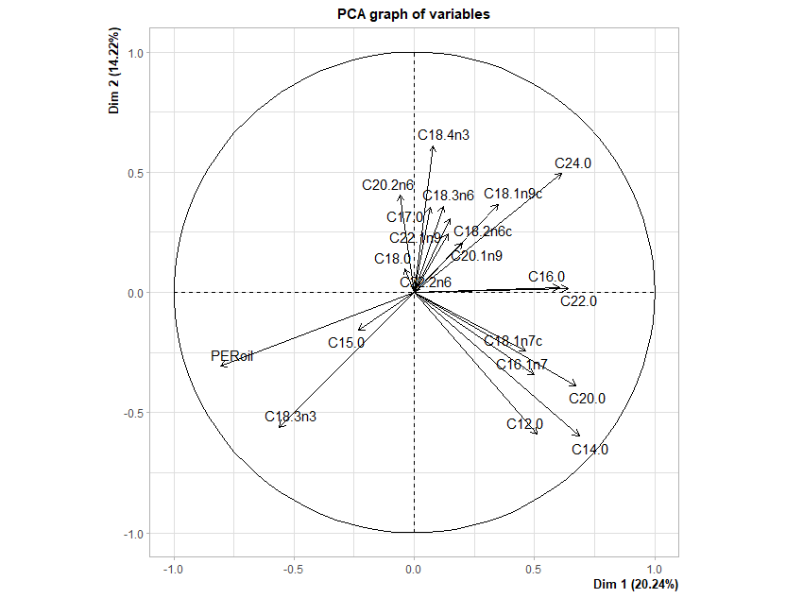
 |  |  |  |  |  |  |  |  |  |  |  | Dim.1 | Dim.2 | Dim.3 | Dim.4 | Dim.5 |  | eigenva | eigenvalue | percentage of variance | cumulative percentage of variance
 |  |  |  |  |  |  |  |  |  |  | C12.0 | 6.45 | 12.28 | 0.11 | 0.15 | 0.95 |  | comp 1 | 4.05 | 20.24 | 20.24
 |  |  |  |  |  |  |  |  |  |  | C14.0 | 11.63 | 12.57 | 0.07 | 0.00 | 0.12 |  | comp 2 | 2.84 | 14.22 | 34.46
 |  |  |  |  |  |  |  |  |  |  | C15.0 | 1.33 | 0.87 | 0.06 | 1.81 | 2.50 |  | comp 3 | 2.59 | 12.93 | 47.39
 |  |  |  |  |  |  |  |  |  |  | C16.0 | 8.98 | 0.02 | 0.23 | 4.01 | 5.21 |  | comp 4 | 1.71 | 8.54 | 55.93
 |  |  |  |  |  |  |  |  |  |  | C16.1n7 | 6.15 | 4.14 | 2.95 | 4.12 | 9.97 |  | comp 5 | 1.62 | 8.09 | 64.03
 |  |  |  |  |  |  |  |  |  |  | C17.0 | 0.10 | 4.45 | 1.28 | 0.89 | 6.70 |  | comp 6 | 1.27 | 6.36 | 70.38
 |  |  |  |  |  |  |  |  |  |  | C18.0 | 0.04 | 0.34 | 7.17 | 15.68 | 16.53 |  | comp 7 | 1.11 | 5.53 | 75.91
 |  |  |  |  |  |  |  |  |  |  | C18.1n7c | 5.32 | 2.09 | 7.78 | 0.35 | 14.12 |  | comp 8 | 0.96 | 4.81 | 80.73
 |  |  |  |  |  |  |  |  |  |  | C18.1n9c | 3.00 | 4.73 | 11.80 | 1.04 | 10.64 |  | comp 9 | 0.87 | 4.36 | 85.08
 |  |  |  |  |  |  |  |  |  |  | C18.2n6c | 0.54 | 3.35 | 11.55 | 15.84 | 7.92 |  | comp 10 | 0.81 | 4.04 | 89.12
 |  |  |  |  |  |  |  |  |  |  | C18.3n3 | 7.78 | 11.03 | 0.13 | 15.37 | 0.02 |  | comp 11 | 0.63 | 3.14 | 92.26
 |  |  |  |  |  |  |  |  |  |  | C18.3n6 | 0.35 | 4.54 | 2.37 | 3.16 | 7.42 |  | comp 12 | 0.53 | 2.63 | 94.90
 |  |  |  |  |  |  |  |  |  |  | C18.4n3 | 0.16 | 13.12 | 8.20 | 0.87 | 0.07 |  | comp 13 | 0.30 | 1.51 | 96.41
 |  |  |  |  |  |  |  |  |  |  | C20.0 | 11.20 | 5.29 | 0.00 | 0.06 | 4.52 |  | comp 14 | 0.27 | 1.34 | 97.75
 |  |  |  |  |  |  |  |  |  |  | C20.1n9 | 0.97 | 1.46 | 14.89 | 1.82 | 1.92 |  | comp 15 | 0.19 | 0.95 | 98.69
 |  |  |  |  |  |  |  |  |  |  | C20.2n6 | 0.09 | 5.76 | 9.19 | 17.93 | 0.07 |  | comp 16 | 0.12 | 0.58 | 99.27
 |  |  |  |  |  |  |  |  |  |  | C22.0 | 10.11 | 0.01 | 4.40 | 9.96 | 5.12 |  | comp 17 | 0.07 | 0.33 | 99.59
 |  |  |  |  |  |  |  |  |  |  | C22.1n9 | 0.49 | 2.06 | 17.51 | 2.44 | 5.95 |  | comp 18 | 0.05 | 0.23 | 99.83
 |  |  |  |  |  |  |  |  |  |  | C22.2n6 | 0.00 | 0.00 | 0.00 | 0.00 | 0.00 |  | comp 19 | 0.03 | 0.17 | 100.00
 |  |  |  |  |  |  |  |  |  |  | C24.0 | 9.29 | 8.58 | 0.18 | 3.96 | 0.02 |  | comp 20 | 0.00 | 0.00 | 100.00
 |  |  |  |  |  |  |  |  |  |  | PERoil | 16.00 | 3.30 | 0.13 | 0.54 | 0.22 |  | comp 21 | 0.00 | 0.00 | 100.00

 | C12.0 | C14.0 | C15.0 | C16.0 | C16.1n7 | C17.0 | C18.0 | C18.1n7c | C18.1n9c | C18.2n6c | C18.3n3 | C18.3n6 | C18.4n3 | C20.0 | C20.1n9 | C20.2n6 | C22.0 | C22.1n9 | C24.0 | PERoil
C12.0 | 1 | 0.76542701 | -0.05576112 | 0.12067811 | 0.37335651 | 0.029783949 | -0.126733522 | 0.21985672 | -0.03367395 | 0.013169421 | -0.02279516 | -0.12342717 | -0.143660802 | 0.68138894 | -0.01760099 | -0.150564699 | 0.18894336 | -0.075848787 | -0.10090498 | -0.20125661
C14.0 | 0.76542701 | 1 | -0.10984439 | 0.347680213 | 0.58307125 | -0.152935846 | -0.064045374 | 0.34951278 | 0.02251517 | -0.025582864 | -0.07342013 | -0.275121 | -0.250214268 | 0.61760571 | 0.13787297 | -0.188314213 | 0.39536585 | 0.017090008 | 0.14529567 | -0.28364769
C15.0 | -0.05576112 | -0.10984439 | 1 | -0.091721927 | -0.05571169 | -0.058066762 | -0.076381386 | 0.02724991 | -0.07552123 | -0.14942048 | 0.21476936 | -0.0651029 | -0.075775333 | -0.07478512 | -0.08256474 | 0.032074307 | -0.16018757 | -0.04061898 | -0.20754857 | 0.05754282
C16.0 | 0.12067811 | 0.34768021 | -0.09172193 | 1 | 0.09846049 | 0.241612285 | -0.028169742 | 0.29314255 | -0.12528626 | 0.082117014 | -0.21517605 | 0.04839062 | -0.009423586 | 0.37261802 | -0.03673574 | -0.007042124 | 0.46053535 | 0.070042311 | 0.34389683 | -0.57277336
C16.1n7 | 0.37335651 | 0.58307125 | -0.05571169 | 0.098460494 | 1 | -0.126431107 | -0.113761944 | 0.63473281 | 0.07016068 | 0.065584905 | -0.16304036 | 0.12996612 | -0.085531417 | 0.15609678 | -0.08232467 | -0.181407187 | 0.04433755 | -0.154411544 | 0.26028527 | -0.20716444
C17.0 | 0.02978395 | -0.15293585 | -0.05806676 | 0.241612285 | -0.12643111 | 1 | 0.204915025 | -0.19133237 | 0.07757521 | -0.009055854 | -0.10410288 | -0.02100003 | 0.230835326 | -0.1557846 | 0.04498811 | 0.020701861 | 0.0730897 | 0.206360084 | 0.12031587 | -0.16820718
C18.0 | -0.12673352 | -0.06404537 | -0.07638139 | -0.028169742 | -0.11376194 | 0.204915025 | 1 | -0.35167095 | 0.04140391 | 0.151486394 | -0.18242433 | -0.07889661 | -0.148051639 | 0.03911425 | 0.27166375 | -0.431403303 | 0.11941933 | 0.003359044 | -0.05080161 | 0.09607258
C18.1n7c | 0.21985672 | 0.34951278 | 0.02724991 | 0.293142551 | 0.63473281 | -0.191332369 | -0.351670946 | 1 | -0.0717974 | 0.105190523 | -0.13247422 | 0.15863253 | 0.092615021 | 0.26699563 | -0.08103811 | -0.021328953 | -0.06873518 | -0.075406544 | 0.07678497 | -0.40336459
C18.1n9c | -0.03367395 | 0.02251517 | -0.07552123 | -0.125286262 | 0.07016068 | 0.077575205 | 0.041403912 | -0.0717974 | 1 | -0.255419098 | -0.50985701 | 0.09520921 | 0.053332645 | 0.03581062 | 0.41483109 | -0.2518558 | 0.27217358 | 0.483561306 | 0.32715528 | -0.35828662
C18.2n6c | 0.01316942 | -0.02558286 | -0.14942048 | 0.082117014 | 0.06558491 | -0.009055854 | 0.151486394 | 0.10519052 | -0.2554191 | 1 | -0.65410817 | 0.09316646 | 0.346595466 | 0.03797291 | -0.11819218 | 0.222463167 | -0.21484546 | -0.344214688 | 0.07800288 | -0.16979949
C18.3n3 | -0.02279516 | -0.07342013 | 0.21476936 | -0.215176054 | -0.16304036 | -0.104102882 | -0.182424331 | -0.13247422 | -0.50985701 | -0.65410817 | 1 | -0.29034677 | -0.326782806 | -0.16838987 | -0.24881346 | 0.024596002 | -0.13263083 | -0.10249672 | -0.4318513 | 0.57538714
C18.3n6 | -0.12342717 | -0.275121 | -0.0651029 | 0.048390621 | 0.12996612 | -0.021000027 | -0.07889661 | 0.15863253 | 0.09520921 | 0.093166463 | -0.29034677 | 1 | 0.134241275 | -0.07783405 | -0.07070052 | -0.020875553 | -0.13025341 | -0.080213623 | 0.29589683 | -0.23549953
C18.4n3 | -0.1436608 | -0.25021427 | -0.07577533 | -0.009423586 | -0.08553142 | 0.230835326 | -0.148051639 | 0.09261502 | 0.05333265 | 0.346595466 | -0.32678281 | 0.13424128 | 1 | -0.05415633 | -0.06151404 | 0.587101928 | -0.14830943 | -0.10464917 | 0.3289623 | -0.21895759
C20.0 | 0.68138894 | 0.61760571 | -0.07478512 | 0.372618015 | 0.15609678 | -0.155784596 | 0.039114251 | 0.26699563 | 0.03581062 | 0.037972915 | -0.16838987 | -0.07783405 | -0.054156325 | 1 | 0.07300557 | -0.131805282 | 0.49515666 | -0.09309519 | 0.15739198 | -0.40575017
C20.1n9 | -0.01760099 | 0.13787297 | -0.08256474 | -0.036735736 | -0.08232467 | 0.04498811 | 0.271663753 | -0.08103811 | 0.41483109 | -0.118192176 | -0.24881346 | -0.07070052 | -0.061514036 | 0.07300557 | 1 | -0.121075842 | 0.06674653 | 0.587038325 | 0.08097192 | -0.1539709
C20.2n6 | -0.1505647 | -0.18831421 | 0.03207431 | -0.007042124 | -0.18140719 | 0.020701861 | -0.431403303 | -0.02132895 | -0.2518558 | 0.222463167 | 0.024596 | -0.02087555 | 0.587101928 | -0.13180528 | -0.12107584 | 1 | -0.01474403 | -0.028289366 | 0.31725721 | -0.09107135
C22.0 | 0.18894336 | 0.39536585 | -0.16018757 | 0.460535347 | 0.04433755 | 0.073089695 | 0.119419333 | -0.06873518 | 0.27217358 | -0.214845457 | -0.13263083 | -0.13025341 | -0.14830943 | 0.49515666 | 0.06674653 | -0.014744031 | 1 | 0.202694245 | 0.64022986 | -0.49559266
C22.1n9 | -0.07584879 | 0.01709001 | -0.04061898 | 0.070042311 | -0.15441154 | 0.206360084 | 0.003359044 | -0.07540654 | 0.48356131 | -0.344214688 | -0.10249672 | -0.08021362 | -0.10464917 | -0.09309519 | 0.58703833 | -0.028289366 | 0.20269425 | 1 | 0.05586987 | -0.15693034
C24.0 | -0.10090498 | 0.14529567 | -0.20754857 | 0.343896831 | 0.26028527 | 0.120315872 | -0.050801614 | 0.07678497 | 0.32715528 | 0.078002883 | -0.4318513 | 0.29589683 | 0.328962297 | 0.15739198 | 0.08097192 | 0.317257208 | 0.64022986 | 0.055869866 | 1 | -0.54742355
PERoil | -0.20125661 | -0.28364769 | 0.05754282 | -0.572773358 | -0.20716444 | -0.168207178 | 0.096072585 | -0.40336459 | -0.35828662 | -0.169799486 | 0.57538714 | -0.23549953 | -0.218957594 | -0.40575017 | -0.1539709 | -0.09107135 | -0.49559266 | -0.156930341 | -0.54742355 | 1

sin PERoil
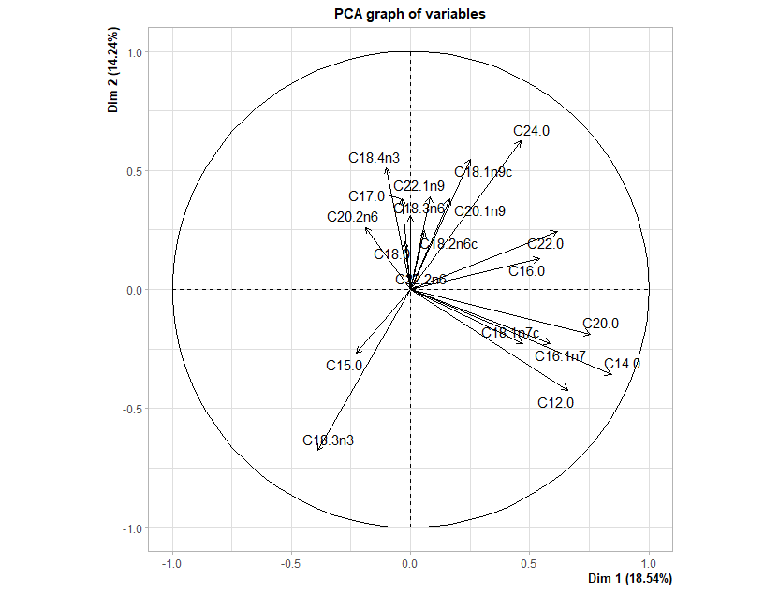
 |  |  |  |  |  |  |  |  |  |  |  | Dim.1 | Dim.2 | Dim.3 | Dim.4 | Dim.5 |  |  | eigenvalue | percentage of variance | cumulative percentage of variance
 |  |  |  |  |  |  |  |  |  |  | C12.0 | 12.40 | 6.63 | 0.00 | 0.07 | 0.90 |  | comp 1 | 3.52 | 18.54 | 18.54
 |  |  |  |  |  |  |  |  |  |  | C14.0 | 20.20 | 4.69 | 0.26 | 0.01 | 0.06 |  | comp 2 | 2.70 | 14.24 | 32.78
 |  |  |  |  |  |  |  |  |  |  | C15.0 | 1.46 | 2.64 | 0.04 | 0.86 | 2.09 |  | comp 3 | 2.58 | 13.56 | 46.34
 |  |  |  |  |  |  |  |  |  |  | C16.0 | 8.31 | 0.64 | 0.57 | 4.86 | 4.51 |  | comp 4 | 1.70 | 8.94 | 55.28
 |  |  |  |  |  |  |  |  |  |  | C16.1n7 | 9.75 | 1.89 | 2.64 | 4.39 | 9.74 |  | comp 5 | 1.61 | 8.50 | 63.77
 |  |  |  |  |  |  |  |  |  |  | C17.0 | 0.04 | 5.36 | 0.47 | 1.34 | 6.30 |  | comp 6 | 1.27 | 6.67 | 70.44
 |  |  |  |  |  |  |  |  |  |  | C18.0 | 0.02 | 1.49 | 6.01 | 13.52 | 19.22 |  | comp 7 | 1.08 | 5.66 | 76.10
 |  |  |  |  |  |  |  |  |  |  | C18.1n7c | 6.32 | 1.89 | 6.99 | 0.73 | 13.72 |  | comp 8 | 0.91 | 4.80 | 80.90
 |  |  |  |  |  |  |  |  |  |  | C18.1n9c | 1.78 | 11.04 | 7.58 | 1.19 | 10.89 |  | comp 9 | 0.87 | 4.58 | 85.48
 |  |  |  |  |  |  |  |  |  |  | C18.2n6c | 0.10 | 2.24 | 14.80 | 13.04 | 9.04 |  | comp 10 | 0.80 | 4.20 | 89.68
 |  |  |  |  |  |  |  |  |  |  | C18.3n3 | 4.35 | 16.94 | 1.86 | 13.19 | 0.06 |  | comp 11 | 0.62 | 3.24 | 92.92
 |  |  |  |  |  |  |  |  |  |  | C18.3n6 | 0.00 | 3.56 | 3.88 | 3.69 | 6.79 |  | comp 12 | 0.52 | 2.76 | 95.68
 |  |  |  |  |  |  |  |  |  |  | C18.4n3 | 0.29 | 9.65 | 12.82 | 1.44 | 0.00 |  | comp 13 | 0.30 | 1.59 | 97.27
 |  |  |  |  |  |  |  |  |  |  | C20.0 | 16.14 | 1.30 | 0.01 | 0.26 | 4.12 |  | comp 14 | 0.23 | 1.21 | 98.48
 |  |  |  |  |  |  |  |  |  |  | C20.1n9 | 0.77 | 5.33 | 11.63 | 1.79 | 1.86 |  | comp 15 | 0.12 | 0.62 | 99.10
 |  |  |  |  |  |  |  |  |  |  | C20.2n6 | 1.02 | 2.51 | 11.48 | 19.68 | 0.04 |  | comp 16 | 0.09 | 0.45 | 99.55
 |  |  |  |  |  |  |  |  |  |  | C22.0 | 10.78 | 2.20 | 2.88 | 12.28 | 3.56 |  | comp 17 | 0.05 | 0.27 | 99.82
 |  |  |  |  |  |  |  |  |  |  | C22.1n9 | 0.20 | 5.63 | 14.24 | 2.09 | 6.78 |  | comp 18 | 0.03 | 0.18 | 100.00
 |  |  |  |  |  |  |  |  |  |  | C22.2n6 | 0.00 | 0.00 | 0.00 | 0.00 | 0.00 |  | comp 19 | 0.00 | 0.00 | 100.00
 |  |  |  |  |  |  |  |  |  |  | C24.0 | 6.08 | 14.37 | 1.84 | 5.57 | 0.32 |  | comp 20 | 0.00 | 0.00 | 100.00

 | C12.0 | C14.0 | C15.0 | C16.0 | C16.1n7 | C17.0 | C18.0 | C18.1n7c | C18.1n9c | C18.2n6c | C18.3n3 | C18.3n6 | C18.4n3 | C20.0 | C20.1n9 | C20.2n6 | C22.0 | C22.1n9 | C24.0
C12.0 | 1 | 0.76542701 | -0.05576112 | 0.12067811 | 0.37335651 | 0.029783949 | -0.126733522 | 0.21985672 | -0.03367395 | 0.013169421 | -0.02279516 | -0.12342717 | -0.143660802 | 0.68138894 | -0.01760099 | -0.150564699 | 0.18894336 | -0.075848787 | -0.10090498
C14.0 | 0.76542701 | 1 | -0.10984439 | 0.347680213 | 0.58307125 | -0.152935846 | -0.064045374 | 0.34951278 | 0.02251517 | -0.025582864 | -0.07342013 | -0.275121 | -0.250214268 | 0.61760571 | 0.13787297 | -0.188314213 | 0.39536585 | 0.017090008 | 0.14529567
C15.0 | -0.05576112 | -0.10984439 | 1 | -0.091721927 | -0.05571169 | -0.058066762 | -0.076381386 | 0.02724991 | -0.07552123 | -0.14942048 | 0.21476936 | -0.0651029 | -0.075775333 | -0.07478512 | -0.08256474 | 0.032074307 | -0.16018757 | -0.04061898 | -0.20754857
C16.0 | 0.12067811 | 0.34768021 | -0.09172193 | 1 | 0.09846049 | 0.241612285 | -0.028169742 | 0.29314255 | -0.12528626 | 0.082117014 | -0.21517605 | 0.04839062 | -0.009423586 | 0.37261802 | -0.03673574 | -0.007042124 | 0.46053535 | 0.070042311 | 0.34389683
C16.1n7 | 0.37335651 | 0.58307125 | -0.05571169 | 0.098460494 | 1 | -0.126431107 | -0.113761944 | 0.63473281 | 0.07016068 | 0.065584905 | -0.16304036 | 0.12996612 | -0.085531417 | 0.15609678 | -0.08232467 | -0.181407187 | 0.04433755 | -0.154411544 | 0.26028527
C17.0 | 0.02978395 | -0.15293585 | -0.05806676 | 0.241612285 | -0.12643111 | 1 | 0.204915025 | -0.19133237 | 0.07757521 | -0.009055854 | -0.10410288 | -0.02100003 | 0.230835326 | -0.1557846 | 0.04498811 | 0.020701861 | 0.0730897 | 0.206360084 | 0.12031587
C18.0 | -0.12673352 | -0.06404537 | -0.07638139 | -0.028169742 | -0.11376194 | 0.204915025 | 1 | -0.35167095 | 0.04140391 | 0.151486394 | -0.18242433 | -0.07889661 | -0.148051639 | 0.03911425 | 0.27166375 | -0.431403303 | 0.11941933 | 0.003359044 | -0.05080161
C18.1n7c | 0.21985672 | 0.34951278 | 0.02724991 | 0.293142551 | 0.63473281 | -0.191332369 | -0.351670946 | 1 | -0.0717974 | 0.105190523 | -0.13247422 | 0.15863253 | 0.092615021 | 0.26699563 | -0.08103811 | -0.021328953 | -0.06873518 | -0.075406544 | 0.07678497
C18.1n9c | -0.03367395 | 0.02251517 | -0.07552123 | -0.125286262 | 0.07016068 | 0.077575205 | 0.041403912 | -0.0717974 | 1 | -0.255419098 | -0.50985701 | 0.09520921 | 0.053332645 | 0.03581062 | 0.41483109 | -0.2518558 | 0.27217358 | 0.483561306 | 0.32715528
C18.2n6c | 0.01316942 | -0.02558286 | -0.14942048 | 0.082117014 | 0.06558491 | -0.009055854 | 0.151486394 | 0.10519052 | -0.2554191 | 1 | -0.65410817 | 0.09316646 | 0.346595466 | 0.03797291 | -0.11819218 | 0.222463167 | -0.21484546 | -0.344214688 | 0.07800288
C18.3n3 | -0.02279516 | -0.07342013 | 0.21476936 | -0.215176054 | -0.16304036 | -0.104102882 | -0.182424331 | -0.13247422 | -0.50985701 | -0.65410817 | 1 | -0.29034677 | -0.326782806 | -0.16838987 | -0.24881346 | 0.024596002 | -0.13263083 | -0.10249672 | -0.4318513
C18.3n6 | -0.12342717 | -0.275121 | -0.0651029 | 0.048390621 | 0.12996612 | -0.021000027 | -0.07889661 | 0.15863253 | 0.09520921 | 0.093166463 | -0.29034677 | 1 | 0.134241275 | -0.07783405 | -0.07070052 | -0.020875553 | -0.13025341 | -0.080213623 | 0.29589683
C18.4n3 | -0.1436608 | -0.25021427 | -0.07577533 | -0.009423586 | -0.08553142 | 0.230835326 | -0.148051639 | 0.09261502 | 0.05333265 | 0.346595466 | -0.32678281 | 0.13424128 | 1 | -0.05415633 | -0.06151404 | 0.587101928 | -0.14830943 | -0.10464917 | 0.3289623
C20.0 | 0.68138894 | 0.61760571 | -0.07478512 | 0.372618015 | 0.15609678 | -0.155784596 | 0.039114251 | 0.26699563 | 0.03581062 | 0.037972915 | -0.16838987 | -0.07783405 | -0.054156325 | 1 | 0.07300557 | -0.131805282 | 0.49515666 | -0.09309519 | 0.15739198
C20.1n9 | -0.01760099 | 0.13787297 | -0.08256474 | -0.036735736 | -0.08232467 | 0.04498811 | 0.271663753 | -0.08103811 | 0.41483109 | -0.118192176 | -0.24881346 | -0.07070052 | -0.061514036 | 0.07300557 | 1 | -0.121075842 | 0.06674653 | 0.587038325 | 0.08097192
C20.2n6 | -0.1505647 | -0.18831421 | 0.03207431 | -0.007042124 | -0.18140719 | 0.020701861 | -0.431403303 | -0.02132895 | -0.2518558 | 0.222463167 | 0.024596 | -0.02087555 | 0.587101928 | -0.13180528 | -0.12107584 | 1 | -0.01474403 | -0.028289366 | 0.31725721
C22.0 | 0.18894336 | 0.39536585 | -0.16018757 | 0.460535347 | 0.04433755 | 0.073089695 | 0.119419333 | -0.06873518 | 0.27217358 | -0.214845457 | -0.13263083 | -0.13025341 | -0.14830943 | 0.49515666 | 0.06674653 | -0.014744031 | 1 | 0.202694245 | 0.64022986
C22.1n9 | -0.07584879 | 0.01709001 | -0.04061898 | 0.070042311 | -0.15441154 | 0.206360084 | 0.003359044 | -0.07540654 | 0.48356131 | -0.344214688 | -0.10249672 | -0.08021362 | -0.10464917 | -0.09309519 | 0.58703833 | -0.028289366 | 0.20269425 | 1 | 0.05586987
C24.0 | -0.10090498 | 0.14529567 | -0.20754857 | 0.343896831 | 0.26028527 | 0.120315872 | -0.050801614 | 0.07678497 | 0.32715528 | 0.078002883 | -0.4318513 | 0.29589683 | 0.328962297 | 0.15739198 | 0.08097192 | 0.317257208 | 0.64022986 | 0.055869866 | 1

FAME>3%
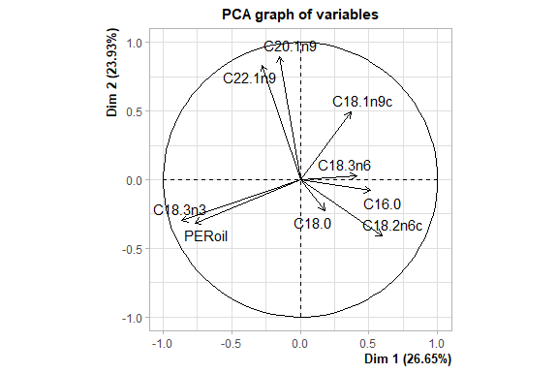
Contributions
 | Dim.1 | Dim.2 | Dim.3 | Dim.4 | Dim.5 |  |  | eigenvalue | percentage of variance | cumulative percentage of variance
C16.0 | 11.01 | 0.30 | 32.43 | 7.43 | 12.78 |  | comp 1 | 2.40 | 26.65 | 26.65
C18.0 | 1.34 | 2.30 | 32.53 | 4.76 | 16.71 |  | comp 2 | 2.15 | 23.93 | 50.58
C18.1n9c | 5.78 | 11.27 | 7.66 | 35.46 | 9.21 |  | comp 3 | 1.27 | 14.06 | 64.64
C18.2n6c | 14.86 | 7.84 | 6.23 | 19.42 | 10.97 |  | comp 4 | 1.10 | 12.23 | 76.87
C18.3n3 | 31.01 | 4.16 | 7.60 | 0.99 | 1.36 |  | comp 5 | 0.98 | 10.92 | 87.79
C18.3n6 | 7.11 | 0.04 | 0.71 | 12.29 | 41.81 |  | comp 6 | 0.74 | 8.25 | 96.04
C20.1n9 | 0.99 | 37.26 | 1.44 | 7.58 | 0.00 |  | comp 7 | 0.24 | 2.63 | 98.67
C22.1n9 | 3.20 | 32.23 | 0.18 | 11.99 | 3.86 |  | comp 8 | 0.12 | 1.32 | 99.99
PERoil | 24.70 | 4.60 | 11.22 | 0.09 | 3.30 |  | comp 9 | 0.00 | 0.01 | 100.00

PCA FAME considering total oil content and percentage of specific FAME respect the total
 | C16.0 | C18.0 | C18.1n9c | C18.2n6c | C18.3n3 | C18.3n6 | C20.1n9 | C22.1n9 | PERoil
C16.0 | 1.000 | 0.002 | -0.122 | 0.117 | -0.206 | 0.056 | -0.131 | -0.130 | -0.566
C18.0 | 0.002 | 1.000 | 0.044 | 0.207 | -0.167 | -0.063 | -0.032 | -0.220 | 0.096
C18.1n9c | -0.122 | 0.044 | 1.000 | -0.239 | -0.508 | 0.096 | 0.221 | 0.006 | -0.358
C18.2n6c | 0.117 | 0.207 | -0.239 | 1.000 | -0.609 | 0.108 | -0.309 | -0.312 | -0.160
C18.3n3 | -0.206 | -0.167 | -0.508 | -0.609 | 1.000 | -0.286 | -0.182 | -0.055 | 0.575
C18.3n6 | 0.056 | -0.063 | 0.096 | 0.108 | -0.286 | 1.000 | -0.092 | -0.067 | -0.234
C20.1n9 | -0.131 | -0.032 | 0.221 | -0.309 | -0.182 | -0.092 | 1.000 | 0.839 | -0.094
C22.1n9 | -0.130 | -0.220 | 0.006 | -0.312 | -0.055 | -0.067 | 0.839 | 1.000 | -0.016
PERoil | -0.566 | 0.096 | -0.358 | -0.160 | 0.575 | -0.234 | -0.094 | -0.016 | 1.000

